Sheet1
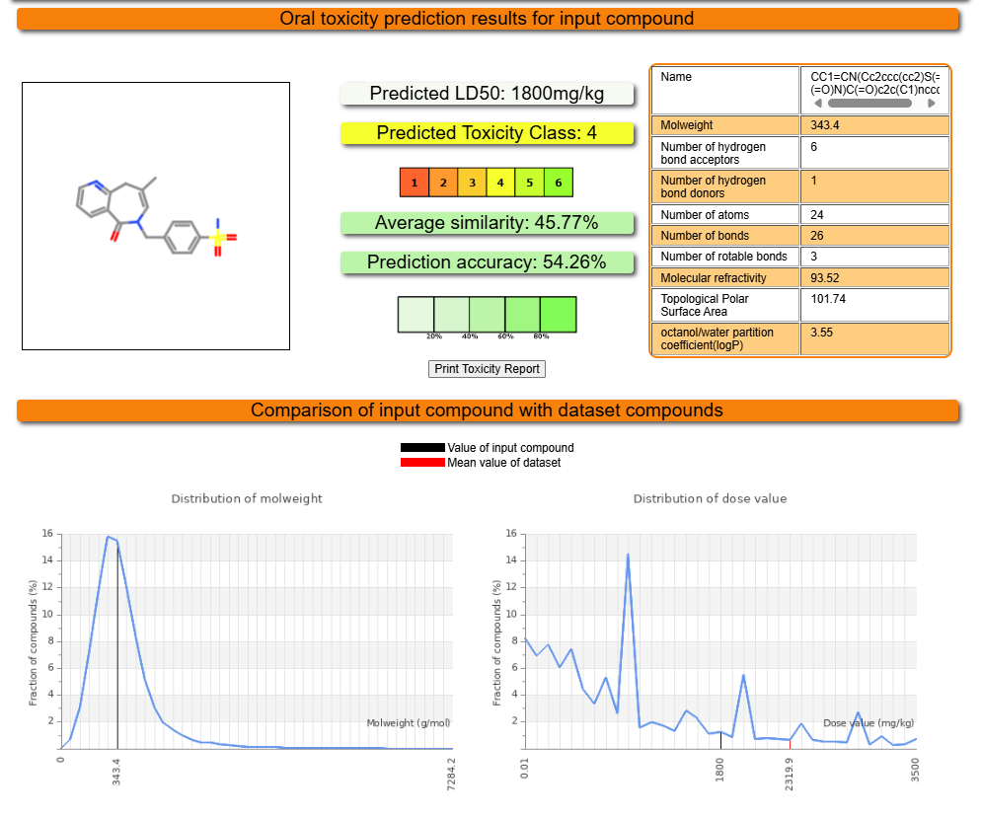
ProTox-3.0 - Prediction of TOXicity of chemicals
Classification | Target | Shorthand | Prediction | Probability
Organ toxicity | Hepatotoxicity | dili | Inactive | 0.65
Toxicity end points | Carcinogenicity | carcino | Inactive | 0.67
Toxicity end points | Immunotoxicity | immuno | Inactive | 0.70
Toxicity end points | Mutagenicity | mutagen | Inactive | 0.68
Toxicity end points | Cytotoxicity | cyto | Inactive | 0.54
Metabolism | Cytochrome CYP1A2 | CYP1A2 | Inactive | 0.86
Metabolism | Cytochrome CYP2C19 | CYP2C19 | Inactive | 0.75
Metabolism | Cytochrome CYP2C9 | CYP2C9 | Active | 0.57
Metabolism | Cytochrome CYP2D6 | CYP2D6 | Inactive | 0.61
Metabolism | Cytochrome CYP3A4 | CYP3A4 | Inactive | 0.61
Metabolism | Cytochrome CYP2E1 | CYP2E1 | Inactive | 0.99

